Dead Load
Dead Weight Load

Value | units | Symbol | description | source
100 | lbs | Wgv | weight of the gate valve
91 | lbs/ft | wdi | weight lineal density of the BT including insulation

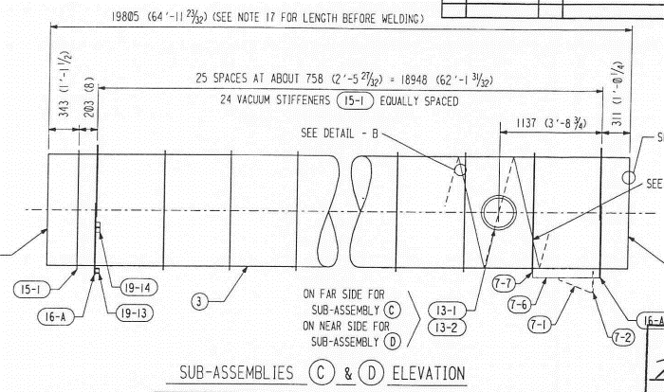
0.593215 | -- | Kf | vertical load reaction for fixed support | obsolete: T940074, page 6 (based on RISA2D beam analysis)
0.406785 | -- | Kg | vertical load reaction for guided support | obsolete: T940074, page 6 (based on RISA2D beam analysis)
7018 | lbs | Rvt = Kf *2*L*wdi | dead load on fixed support | obsolete: T940074, page 7
4812 | lbs | Rvg = Kg*2*L*wdi | dead load on guided support | obsolete: T940074, page 7

7.04 | kips | Fvf | vertical load reaction for fixed support | derived from shear diagram, pg 39 of C960366-v1
2.13 | kips | Fvg | vertical load reaction for guided support | derived from shear diagram, pg 39 of C960366-v1
11.3 | kips | Fv | total vertical reaction, two spans | derived from shear diagram, pg 39 of C960366-v1
0.62301 | -- | Kf | vertical load reaction for fixed support | derived from shear diagram, pg 39 of C960366-v1
0.37699 | -- | Kg | vertical load reaction for guided support | derived from shear diagram, pg 39 of C960366-v1

Termination Support
0.9353 | -- | Kt | vertical load reaction for termination support | No source found; Kf < Kt < 1. Used value to match final load given
7937 | lbs | Rvt = Kt*Lend*wdi | dead load on termination support

Fixed Support
7370 | lbs | Rvf = Kf *2*L*wdi | dead load on fixed support
150 | lbs | Wp | weight of pump port & valve | C930063-0 pg 47
44.75 | in | Lap | axial distance from pump port to fixed support
26.925 | in | Lv | minimum distance from BT centerline to fixed support
6712.5 | in-lbs | Map = Wp * Lap | moment due to Wp
249 | lbs | Ra = Map/Ltc | axial force on fixed support due to pump port weight
24.502 | in | Lh | approx. lateral distance from pump port to BT centerline
3675.3 | in-lbs | Mlp = WP * Llp | moment due to Wp
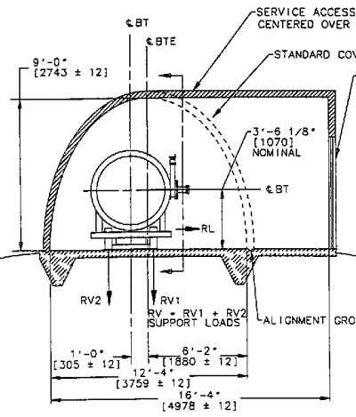
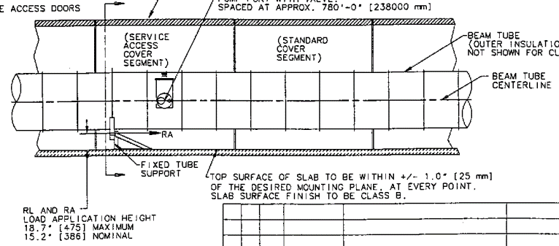
137 | lbs | RL = Mlp/Lv | lateral force on fixed support due to pump port weight | assumes RV2 & RV1 don't provide reaction against moment imposed by pump port load
16 | in | d | lateral distance from BT center to vertical reaction points (RV1 & RV2) | D950036-x0/09
3875 | lbs | RV1 max = Rvf + Wp -Rv2 | vertical support load | assuming that RL = 0
3645 | lbs | RV2 min = (Rvf + Wp - WP*Lh/d)/2 | vertical support load | assuming that RL = 0

Guided Support
4460 | lbs | Rvg = Kg*2*L*wdi | dead load on guided support
1115 | lbf | RV1
1115 | lbf | RV2
1115 | lbf | RV3
1115 | lbf | RV4

Seismic
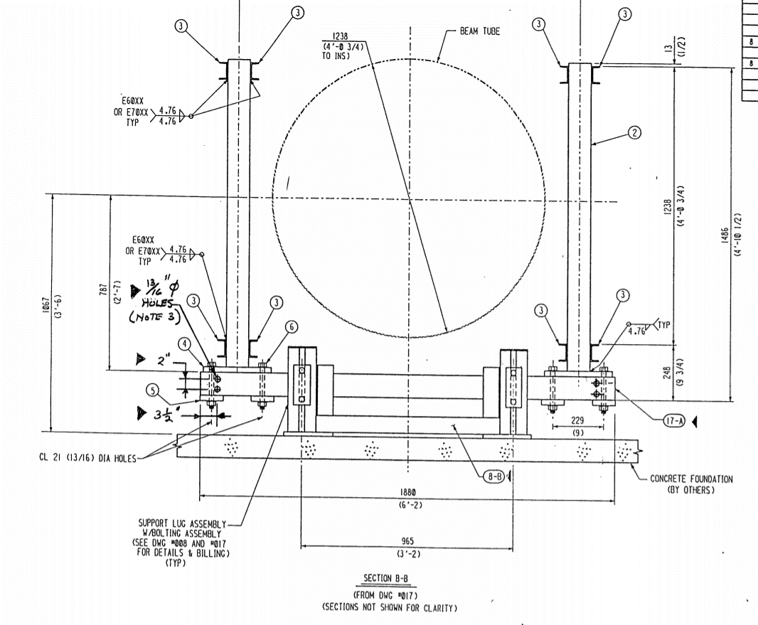
Seismic Load (for Hanfors, WA)

Value | units | Symbol | description | source
0.2 |  | Z | ASCE 7-88 | T940074-x0, page 5
1 |  | I | ASCE 7-88 | T940074-x0, page 5
2.75 |  | C | ASCE 7-88 | T940074-x0, page 5
3 |  | Rw | ASCE 7-88 | T940074-x0, page 5
0.91667 |  | C/Rw | ASCE 7-88 | T940074-x0, page 5
91 |  | W = wdi | see "Dead Load" sheet | T940074-x0, page 5
16.68 | lbs/ft | V = Z * I * C/Rw * W = wseis | seismic force per tube length | T940074-x0, page 5

0.593215 | -- | Kf | vertical load reaction for fixed support | obsolete: see "Dead Load" sheet
0.406785 | -- | Kg | vertical load reaction for guided support | obsolete: see "Dead Load" sheet
1287 |  | Rfx5 = wseis * 2 * L * Kf | seismic load on fixed support | obsolete: T940074-x0, page 9
882 |  | Rgx5 = wseis * 2 * L * Kg | seismic load on guided support | obsolete: T940074-x0, page 9

0.9353 | -- | Kt | load reaction for termination support | see "Dead Load" sheet. No source found; Kf < Kt < 1. Used value to match final dead load
0.62300884956 | -- | Kf | vertical load reaction for fixed support | see "Dead Load" sheet
0.37699115044 | -- | Kg | vertical load reaction for guided support | see "Dead Load" sheet
2029 | lbf | Rtx5 = wseis * 2 * L * Kt | seismic load on termination support | no source found. Value calculated here is somewhat close to final seismic load on termination support Should use different reaction compliances for vertical and horizontal - here they are assumed to be the same

Fixed Support
1351 | lbf | Rfx5 = wseis * 2 * L * Kf | seismic load on fixed support
26.925 | in | Lv | minimum distance from BT centerline to fixed support
16 | in | d | lateral distance from BT center to vertical reaction points (RV1 & RV2)
-1137 | lbf | RV2 min = -RV1 max | vertical support load
1137 | lbf | RV1 max = Rfx5*Lv/(2*d) | vertical support load

Guided Support
818 | lbf | Rgx5 = wseis * 2 * L * Kg | seismic load on guided support
26.60 | in | Lv | maximum distance from BT centerline to guided support
19 | in | d | lateral distance from BT center to vertical reaction points (RV1, RV2, RV3, RV4) | D950043-04
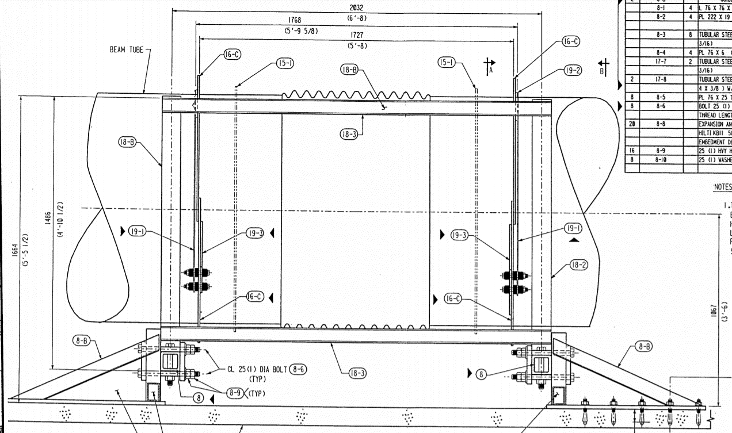
572 | lbf | RV1 = Rgx5*Lv/(2*d)
-572 | lbf | RV2 = -RV1
572 | lbf | RV3 = RV1
-572 | lbf | RV4 = -RV1

