ROC calculator
 |  | Min | Avg | Max | STDev
 | Radius of curvature of TS | 2100 | 2100 | 2100 | 2100 | m | Assumes diverging TS and concave part
 | Gap between TS and part to be measured | 0.073 | 0.073 | 0.073 | 0.073 | m | Vertex to vertex, no tilt
 | Measured Power | 126.338 | 126.596 | 127.024 | 126.744 | nm | Assumes "Fringe" Zernikes
 | Standard deviation in power (from avg) |  | 0.148
 | Part measured aperture | 160.4 | 160.4 | 160.4 | 160.4 | mm | Enter Data into shaded cells

 | Wavefront "sag" at part plus power | 0.0016577228614 | 0.0016579808614 | 0.0016584088614 | 0.0016581288614 | mm

 | Part radius | 1940.0227112 | 1939.7208224 | 1939.2202218 | 1939.5476883 | m

 | range (m) |  | -0.80248942881
 | environmental uncertainty (m) |  | -0.17313412027

 |  |  |  |  |  | 160 mm
 |  |  |  |  |  | Diameter
 | Useful numbers
DCC number |  | Aperture diameter | ROC
C1102035 | R36 Reference Sphere | 260 | 35.751
C1102247 | R34 Reference Sphere | 260 | 33.74
C1002794 | Test Mass Reference Sphere | all | 2100

 |  |  |  |  |  | 300mm
 |  |  |  |  |  | Diameter

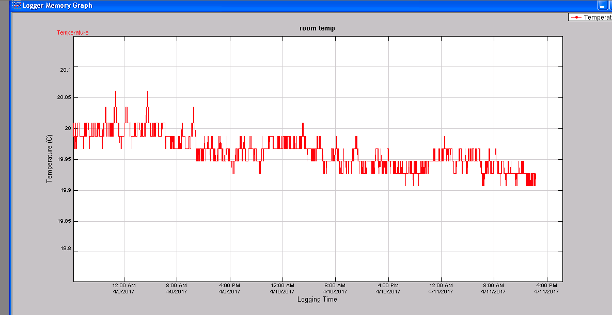
 |  |  |  |  | Temp
 |  |  |  |  | During
 |  |  |  |  | S1 HR
 |  |  |  |  | Run

