overview
In Situ temperatures
Site | Date | Power (W) | Temp (°C) | Configuration
 |  | Setpoint |  |  | source
LHO | 20190624 | 4 | 75 | in situ | https://ldas-jobs.ligo-wa.caltech.edu/~detchar/summary/day/20190624/tcs/sr3/ | LHO, in situ
LHO | 20190414 | 5 | 87 | in situ | https://ldas-jobs.ligo-wa.caltech.edu/~detchar/summary/day/20190414/tcs/sr3/ | LHO, in situ
LLO | 20160714 | 2.8 | 68 | in situ | https://alog.ligo-la.caltech.edu/aLOG/index.php?callRep=27037 | LLO, in situ

CIT temperatures
Site | Date | Power (W) | Temp (°C) | Configuration | source
VBO D | 20170221 | 3 | 61 | In assembly on fixture | https://dcc.ligo.org/LIGO-T1600401 | VBO D, In assembly on fixture
VBO D | 20170214 | 6 | 82 | In assembly on fixture | https://dcc.ligo.org/LIGO-T1600401 | VBO D, In assembly on fixture
VBO D | 20170213 | 1.5 | 42 | In assembly on fixture | https://dcc.ligo.org/LIGO-T1600401 | VBO D, In assembly on fixture

VBO D | 20170330 | 3 | 55 | Isolated with Plate | https://dcc.ligo.org/LIGO-T1600401 | VBO D, Isolated with Plate
VBO D | 20170414 | 4 | 64 | Isolated with Plate | https://dcc.ligo.org/LIGO-T1600401 | VBO D, Isolated with Plate
Best Setpoint Guess |  | 6.6 | 87 | Isolated with Plate | from fit | Best Setpoint Guess, Isolated with Plate

SR3 Actuator Heater Setpoints
 | all data |  | LHO, in situ |  | LLO, in situ |  | VBO D, In assembly on fixture |  | VBO D, Isolated with Plate |  | planned OCF setpoint |  | Best Setpoint Guess, Isolated with Plate
4 | 75 | 4 | 75 | 2.8 | 68 | 3 | 61 | 3 | 55 | 5 | 87 | 6.6 | 87
5 | 87 | 5 | 87 |  |  | 6 | 82 | 4 | 64
2.8 | 68 |  |  |  |  | 1.5 | 42
3 | 61
6 | 82
1.5 | 42
3 | 55
4 | 64

plots
Temp | https://ldvw.ligo.caltech.edu/ldvw/view?act=getImg&imgId=239572
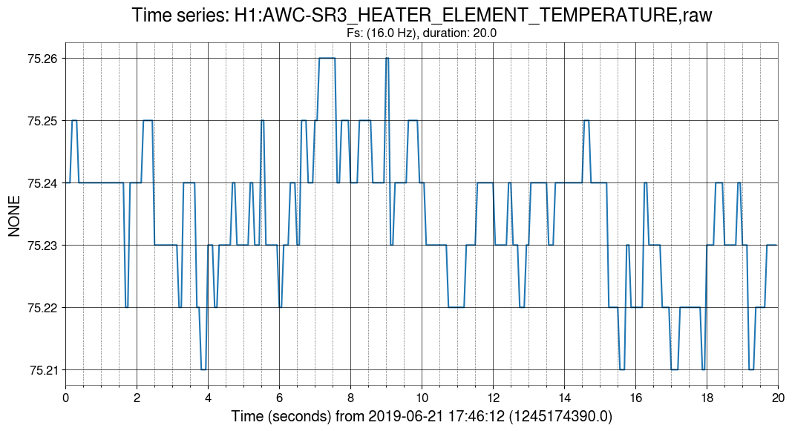

Pmon vs Pset | https://ldvw.ligo.caltech.edu/ldvw/view?act=getImg&imgId=239582
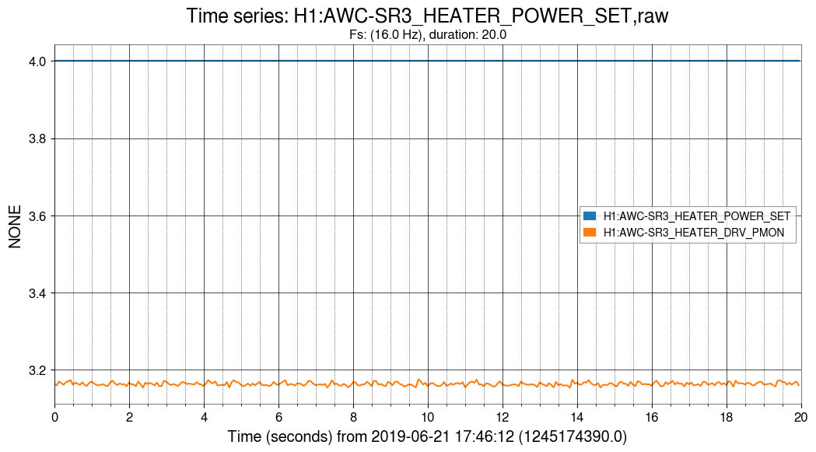

Vmon vs Vset | https://ldvw.ligo.caltech.edu/ldvw/view?act=getImg&imgId=239621
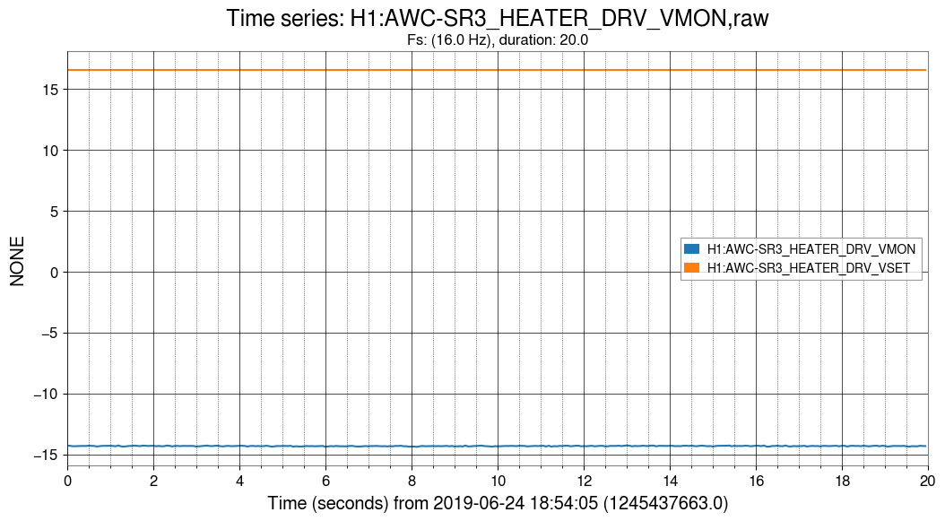

Imon | https://ldvw.ligo.caltech.edu/ldvw/view?act=getImg&imgId=239577
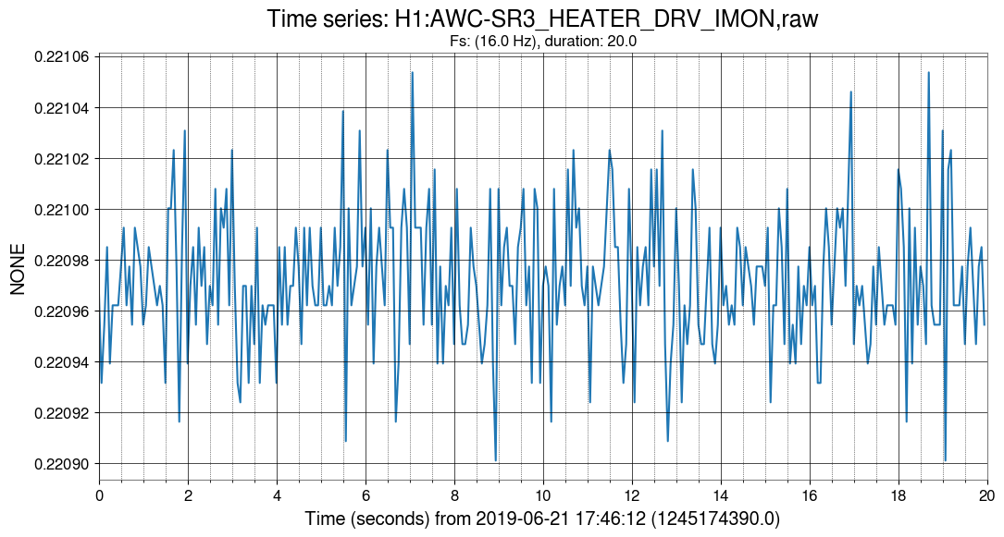

Rnom | https://ldvw.ligo.caltech.edu/ldvw/view?act=getImg&imgId=239580
