ROC calculator
Based on 315 ROC run |  | Min | Avg | Max | Avg+Stdev
 | Radius of curvature of TS | 2100 | 2100 | 2100 | 2100 | m | Assumes diverging TS and concave part
 | Gap between TS and part to be measured | 0.075 | 0.075 | 0.075 | 0.075 | m | Vertex to vertex, no tilt
 | Measured Power | -96.7545 | -97.192 | -97.6295 | -97.002 | nm | Assumes "Fringe" Zernikes
 | Standard deviation in power (from avg) |  | 0.19
 | Part measured aperture | 160.4 | 160.4 | 160.4 | 160.4 | mm | Enter Data into shaded cells

 | Wavefront "sag" at part plus power | 0.001434628903 | 0.001434191403 | 0.001433753903 | 0.001434381403 | mm

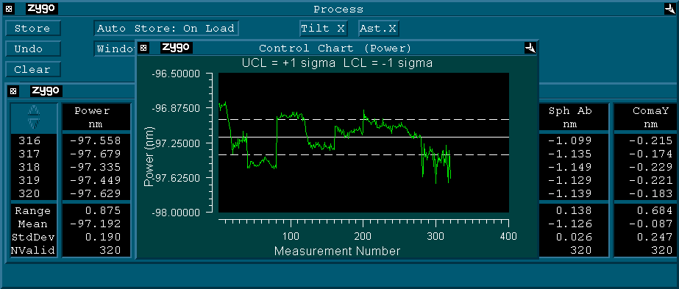
 | Part radius | 2241.7086351 | 2242.3924682 | 2243.0767186 | 2242.095438 | m
 |  | 1939.52
 | range (m) |  | 1.3680834986
 | environmental uncertainty (m) |  | -0.29703018185

 |  |  |  |  | Power stats
 |  |  |  |  | 160mm diameter

 | Useful numbers
DCC number |  | Aperture diameter | ROC
C1102035 | R36 Reference Sphere | 260 | 35.751
C1102247 | R34 Reference Sphere | 260 | 33.74
C1002794 | Test Mass Reference Sphere | all | 2100

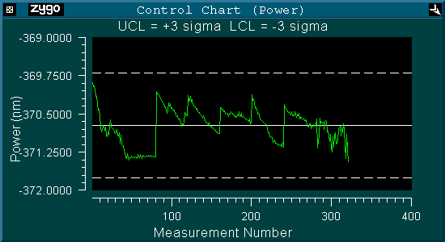

 |  |  |  |  | Power Trend
 |  |  |  |  | 300mm diameter

