Sheet1
 |  |  |  | E Document #
Each Tip-Tilt unit needs to be recorded according to this record sheet. This sheet needs to be filed as a separate E document in the DCC.

 |  |  | (serial number)
aLIGO Tip-Tilt Assembly | D1001396 | v2 | 0
(assembly serial number is obtained from the Top Plate serial number)

Front View
(looking towards the mirror)
Part | DCC # | Version # | Serial #
Structure Base | D1000768 | v2
Structure Side - Left | D1000772 | v2
Structure Side - Right | D1000772 | v2
Top Plate | D1000767 | v2
BOSEM Backplane | D1001450 | v2
Base Pitch Adjuster - Left | D1000766 | v1
Base Pitch Adjuster - Right | D1000766 | v1
Pitch Adjuster - Left | D1002226 | v1
Pitch Adjuster - Right | D1002226 | v1
BOSEM Backplate Upper Right (UR) | D1001496 | v1
BOSEM Backplate Upper Left (UL) | D1001511 | v1
BOSEM Backplate Upper Right (LL) | D1001496 | v1
(seen from the back)
BOSEM Backplate Upper Left (LR) | D1001511 | v1

Back View
(looking towards the BOSEMs, serial # is located on the front of the BOSEM)
Part | DCC # | Version # | Serial # | Open voltage | LED Mon
Upper Left BOSEM | D060218 | v1
Lower Left BOSEM | D060218 | v1
Upper Right BOSEM | D060218 | v1
Lower Right BOSEM | D060218 | v1
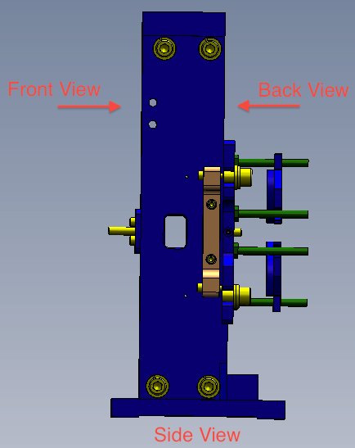

The 'Open voltage' and the 'LED Mon' are to be recorded just prior installation.

