summary
Monolithic Flexure Design
for the Arm Cavity Baffle (ACB) and the Cryo-pump/Manifold Baffle (CMB)

 | tensile |  |  |  |  |  |  | The effect of the flexure's elastic restoring force on the pendulum frequency was calculated using ANSYS11 Workbench (modal with prestress and confirmed with dynamic analysis with gravitational acceleration). The "elastic frequency" given below is the frequency without a graqvitational restoring force. The "pendulum" frequency includes the effect of gravity and the elastic stiffness of the flexure. |  |  |  | diameter | 0.15 | in | 0.00381 | m
Material | yield (Pa) | yield (psi) | Ultimate (Pa) | Ultimate (psi) |  |  |  |  |  |  |  | radius | 0.075 | in | 0.001905 | m
ASTM A228 music wire (2 mm dia.) | 1.95E+09 | 2.83E+05 |  |  |  |  |  |  |  |  |  | area | 0.017671458676 | in^2 | 1.140091828E-05 | m^2
316 annealed bar | 2.40E+08 | 3.48E+04 | 5.50E+08 | 7.98E+04 |  |  |  |  |  |  |  | mass | 153.5 | lbs | 69.614512472 | kg
Sandvik SAMMAC 304/304L bar | 2.05E+08 | 2.97E+04 | 5.15E+08 | 7.47E+04 |  |  |  |  |  |  |  | stress | 8.69E+03 | psi | 5.98E+07 | Pa

 | flexure
Flexure Design | diameter (in) | length (in) | material | Mass (lb) | fillet radius (in) | Nominal Stress (Pa) | Peak Stress (Pa) | Factor of Safety over yield | Elastic Freq. (Hz) | Pendulum Freq. (Hz) | comments
clamped wire design | 0.075 | 0.547 | music wire | 72.4 | 0.05 | 1.13E+08 | 1.30E+08 | 14.95 | 0.077 | 0.482 | more difficult to assemble possible slippage at clamp
ACB monolithic flexure | 0.075 | 0.547 | 316 annealed bar | 72.4 | 0.05 | 1.13E+08 | 1.30E+08 | 1.84 | 0.077 | 0.482 | FS too low | 1.1019028 | Pendulum Length, L (m)
ACB monolithic flexure | 0.100 | 0.547 | 316 annealed bar | 72.4 | 0.05 | 6.35E+07 | 7.52E+07 | 3.19 | 0.130 | 0.495 |  | 0.47473378468 | Simple pendulum frequency (Hz)
ACB monolithic flexure | 0.100 | 0.547 | 316 annealed bar | 72.4 | 0.10 | 6.35E+07 | 7.00E+07 | 3.43 | 0.147 | 0.499
ACB monolithic flexure | 0.100 | 0.547 | 316 annealed bar | 20.0 | 0.05 | 1.75E+07 | 2.15E+07 | 11.16 | 0.272 | 0.552 |  | 0.00254 | r (m)
ACB monolithic flexure | 0.100 | 0.547 | 316 annealed bar | 20.0 | 0.10 | 1.75E+07 | 2.08E+07 | 11.57 | 0.293 | 0.563
CMB monolithic flexure | 0.150 | 0.547 | 316 annealed bar | 153.5 | 0.05 | 5.98E+07 | 8.17E+07 | 2.94 | 0.195 | 0.514 | FS is only 2.51 with 304/304L | 2.00E+11 | E (Pa)
CMB monolithic flexure | 0.154 | 0.547 | 316 annealed bar | 153.5 | 0.05 | 5.98E+07 | 7.97E+07 | 3.01 | 0.203 | 0.518 | FS is only 2.57 with 304/304L | 32.83446712 | M (kg)
CMB monolithic flexure | 0.154 | 1.000 | 316 annealed bar | 153.5 | 0.05 | 5.98E+07 | 7.97E+07 | 3.01 | 0.158 | 0.502 | FS is only 2.57 with 304/304L
CMB monolithic flexure | 0.154 | 0.308 | 316 annealed bar | 153.5 | 0.05 | 5.98E+07 | 7.86E+07 | 3.05 | 0.251 | 0.540
CMB monolithic flexure | 0.154 | 0.547 | 316 annealed bar | 153.5 | 0.10 | 5.98E+07 | 6.80E+07 | 3.53 | 0.214 | 0.522 | FS is 3.01 with 304/304L

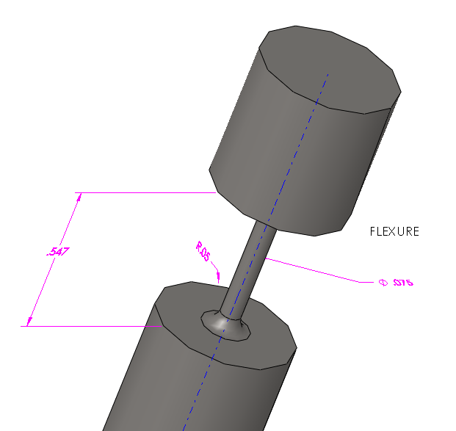
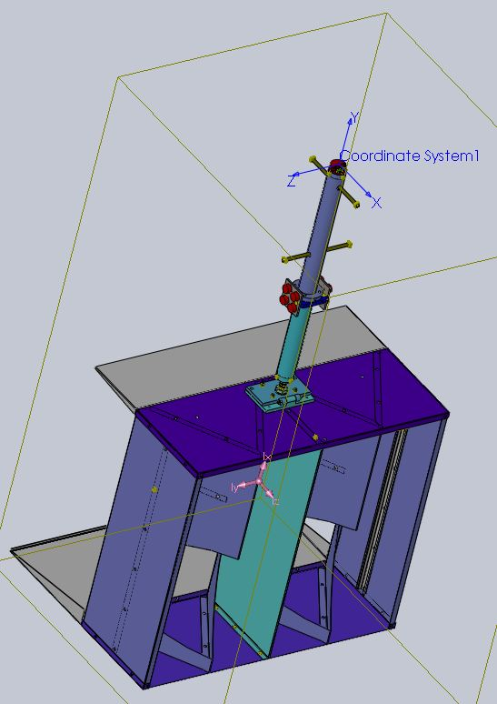
Arm Cavity Baffle (suspended mass/assembly): |  |  |  |  |  |  |  | Simple Model: |  |  |  | 0.0138938 | flexure length, l (m)
 |  |  |  |  |  |  |  |  |  |  |  | 9.804 | g (m/s^2)
 |  |  |  |  |  |  |  |  |  |  |  | 470.58025481 | rotational spring constant, k1
 |  |  |  |  |  |  |  |  |  |  |  | 1411.7407644 | translational spring constant, k2*l^2
 |  |  |  |  |  |  |  |  |  |  |  | 352.93519111 | effective elastic, rotational spring constant
 |  |  |  |  |  |  |  |  |  |  |  | 0.67053341166 | frequency of pendulum with torsion spring (Hz)

baseline (wire)
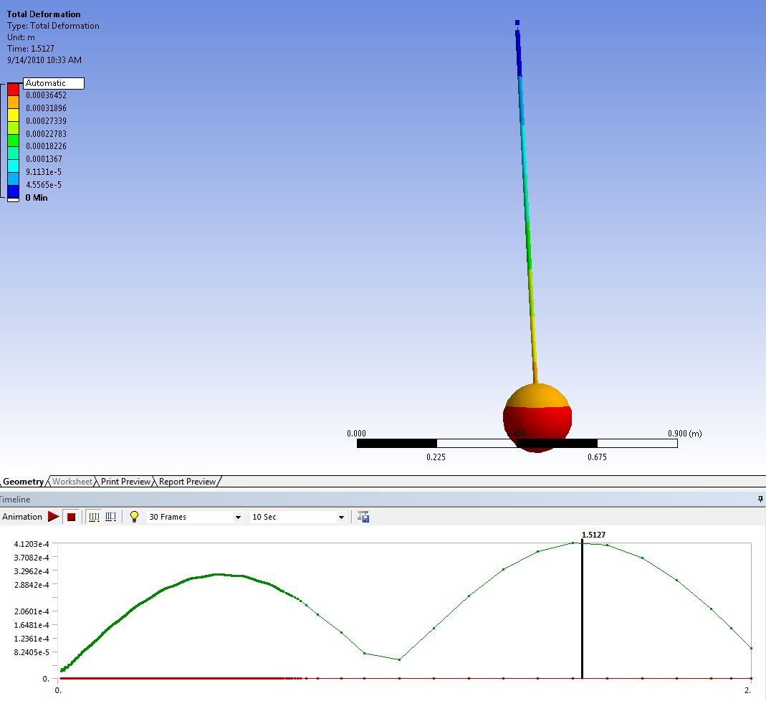
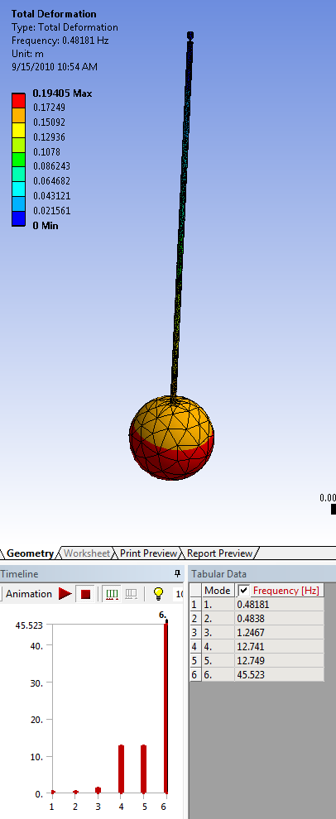
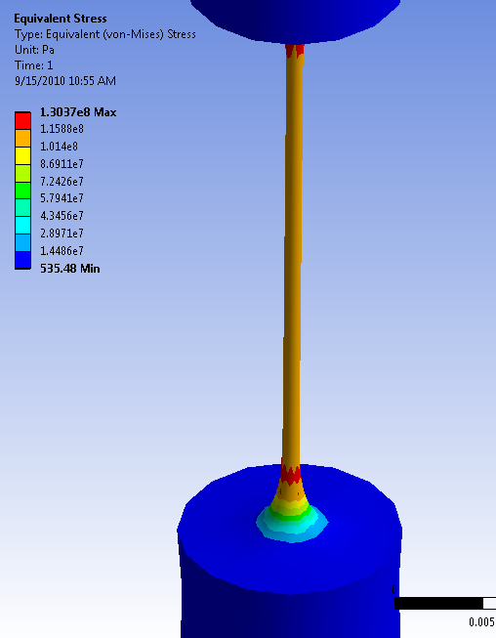

0.10" dia 72lb
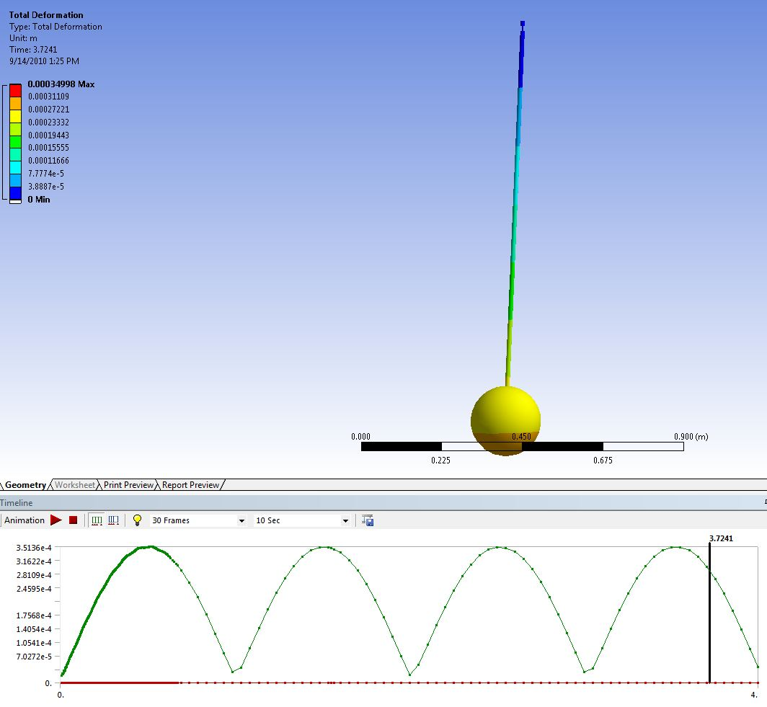
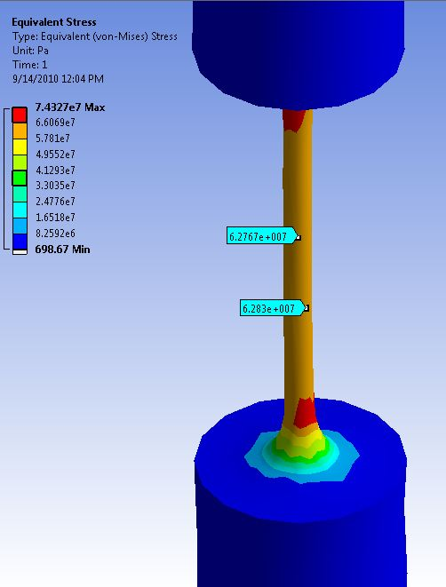

0.10" dia 20 lb
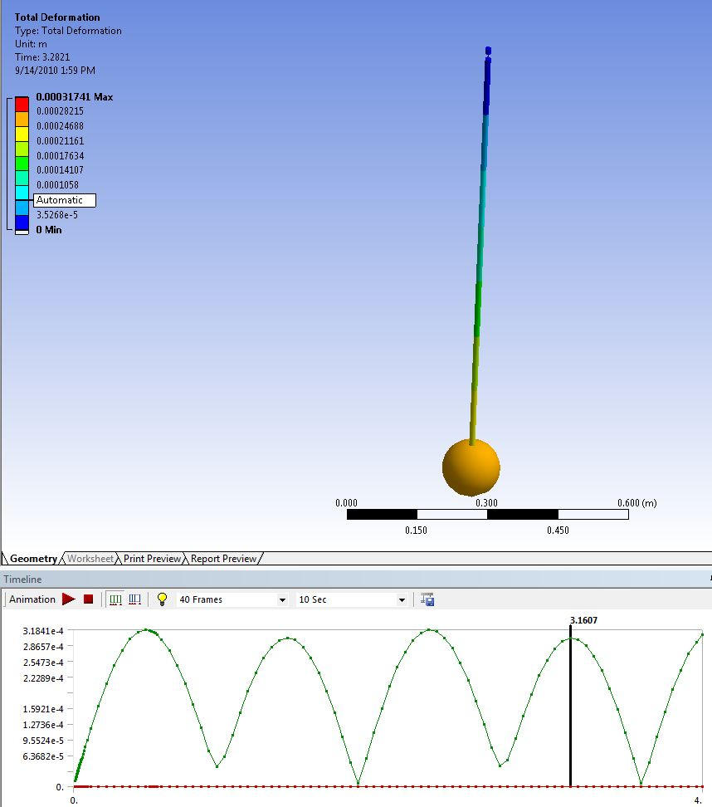
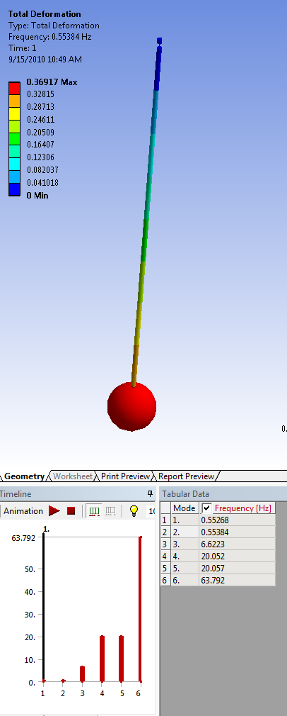

0.15" dia 153 lb
